Home
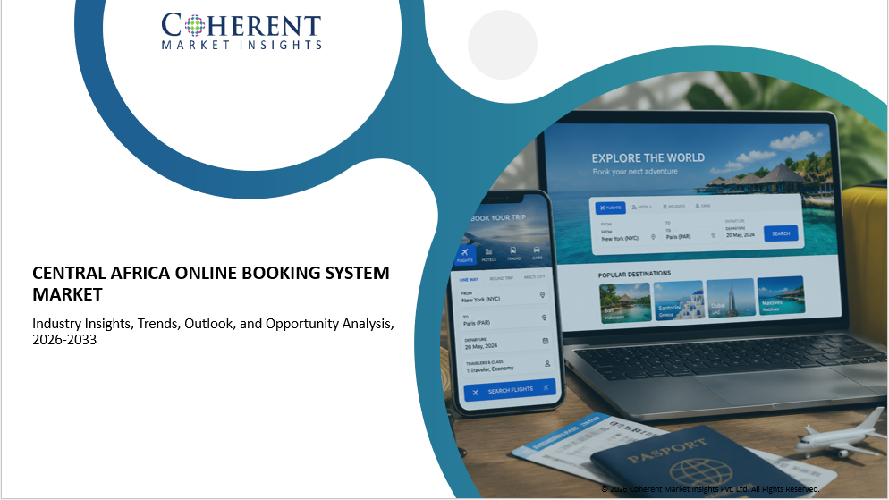
Proposition 1
(list of 100-120 Customer)

Proposition 2
(list of 100-120 Customer)

Proposition 3
(list of 100-120 Customer)

Proposition 1 - Standard
Home
Central Africa Online Booking System Market - Customer Database Verified directory and insight on customers

S.No. | Customer Information |  |  |  |  |  | Contact Details
 | Customer Name/Company Name | Type of Business | Primary Application Type | Platform Type | Number of Properties/Hotels/Travel Services Managed | Number of Daily/Monthly Bookings Processed | Key Contact Person | Designation/Role | Email Address | Phone/WhatsApp Number | LinkedIn Profile | Website URL
1 | Customer 1 | xx | xx | xx | xx | xx | xx | xx | xx | xx | xx | xx
2 | Customer 2 | xx | xx | xx | xx | xx | xx | xx | xx | xx | xx | xx
3 | Customer 3 | xx | xx | xx | xx | xx | xx | xx | xx | xx | xx | xx
4 | Customer 4 | xx | xx | xx | xx | xx | xx | xx | xx | xx | xx | xx
5 | Customer 5 | xx | xx | xx | xx | xx | xx | xx | xx | xx | xx | xx
6 | Customer 6 | xx | xx | xx | xx | xx | xx | xx | xx | xx | xx | xx
7 | Customer 7 | xx | xx | xx | xx | xx | xx | xx | xx | xx | xx | xx
8 | Customer 8 | xx | xx | xx | xx | xx | xx | xx | xx | xx | xx | xx
9 | Customer 9 | xx | xx | xx | xx | xx | xx | xx | xx | xx | xx | xx
10 | Customer 10 | xx | xx | xx | xx | xx | xx | xx | xx | xx | xx | xx
11 | Customer 11 | xx | xx | xx | xx | xx | xx | xx | xx | xx | xx | xx
12 | Customer 12 | xx | xx | xx | xx | xx | xx | xx | xx | xx | xx | xx
13 | Customer 13 | xx | xx | xx | xx | xx | xx | xx | xx | xx | xx | xx
14 | Customer 14 | xx | xx | xx | xx | xx | xx | xx | xx | xx | xx | xx
15 | Customer N | xx | xx | xx | xx | xx | xx | xx | xx | xx | xx | xx

Proposition 2 - Advance
Home
Home
Central Africa Online Booking System Market - Customer Database Verified directory and insight on customers

S.No. | Customer Information |  |  |  |  |  | Contact Details |  |  |  |  |  | Procurement & Purchase Metrics
 | Customer Name/Company Name | Type of Business | Primary Application Type | Platform Type | Number of Properties/Hotels/Travel Services Managed | Number of Daily/Monthly Bookings Processed | Key Contact Person | Designation/Role | Email Address | Phone/WhatsApp Number | LinkedIn Profile | Website URL | Annual Online Booking Software Budget (US$) | Preferred Booking Model (Cloud-Based / On-Premise / Hybrid) | Average Implementation Timeline (Weeks) | Current Booking Software & Usage Duration (Years) | Key Purchase Drivers (Automation, Customer Experience, Mobile Booking, Channel Integration, AI Features)
1 | Customer 1 | xx | xx | xx | xx | xx | xx | xx | xx | xx | xx | xx | xx | xx | xx | xx | xx
2 | Customer 2 | xx | xx | xx | xx | xx | xx | xx | xx | xx | xx | xx | xx | xx | xx | xx | xx
3 | Customer 3 | xx | xx | xx | xx | xx | xx | xx | xx | xx | xx | xx | xx | xx | xx | xx | xx
4 | Customer 4 | xx | xx | xx | xx | xx | xx | xx | xx | xx | xx | xx | xx | xx | xx | xx | xx
5 | Customer 5 | xx | xx | xx | xx | xx | xx | xx | xx | xx | xx | xx | xx | xx | xx | xx | xx
6 | Customer 6 | xx | xx | xx | xx | xx | xx | xx | xx | xx | xx | xx | xx | xx | xx | xx | xx
7 | Customer 7 | xx | xx | xx | xx | xx | xx | xx | xx | xx | xx | xx | xx | xx | xx | xx | xx
8 | Customer 8 | xx | xx | xx | xx | xx | xx | xx | xx | xx | xx | xx | xx | xx | xx | xx | xx
9 | Customer 9 | xx | xx | xx | xx | xx | xx | xx | xx | xx | xx | xx | xx | xx | xx | xx | xx
10 | Customer 10 | xx | xx | xx | xx | xx | xx | xx | xx | xx | xx | xx | xx | xx | xx | xx | xx
11 | Customer 11 | xx | xx | xx | xx | xx | xx | xx | xx | xx | xx | xx | xx | xx | xx | xx | xx
12 | Customer 12 | xx | xx | xx | xx | xx | xx | xx | xx | xx | xx | xx | xx | xx | xx | xx | xx
13 | Customer 13 | xx | xx | xx | xx | xx | xx | xx | xx | xx | xx | xx | xx | xx | xx | xx | xx
14 | Customer 14 | xx | xx | xx | xx | xx | xx | xx | xx | xx | xx | xx | xx | xx | xx | xx | xx
15 | Customer N | xx | xx | xx | xx | xx | xx | xx | xx | xx | xx | xx | xx | xx | xx | xx | xx

Proposition 3 - Premium
Home
Central Africa Online Booking System Market - Customer Database Verified directory and insight on customers

S.No. | Customer Information |  |  |  |  |  | Contact Details |  |  |  |  |  | Procurement & Purchase Metrics |  |  |  |  | Digital & Technology Adoption Metrics |  |  |  |  | Future Demand & Expansion Metrics |  |  |  | CMI Insights
 | Customer Name/Company Name | Type of Business | Primary Application Type | Platform Type | Number of Properties/Hotels/Travel Services Managed | Number of Daily/Monthly Bookings Processed | Key Contact Person | Designation/Role | Email Address | Phone/WhatsApp Number | LinkedIn Profile | Website URL | Annual Online Booking Software Budget (US$) | Preferred Booking Model (Cloud-Based / On-Premise / Hybrid) | Average Implementation Timeline (Weeks) | Current Booking Software & Usage Duration (Years) | Key Purchase Drivers (Automation, Customer Experience, Mobile Booking, Channel Integration, AI Features) | Level of Booking Automation (Manual / Semi-Automated / Fully Automated) | Percentage of Online vs Offline Bookings | Use of AI or Dynamic Pricing Tools (Yes or No) | Integration with Payment Gateways / PMS / CRM / OTA Platforms | Mobile App Booking Capability (Yes or No) | Planned Expansion of Booking Capabilities in Next 3 Years (%) | Expected Booking Volume Growth in Next 3 Years | New Features Planned (AI Chatbot, Dynamic Packaging, Loyalty Programs, Multi-Language Support) | Customer Segments Served (Leisure, Corporate, Group Travel, Medical Tourism, etc.) | Additional Comments/Notes by CMI Team | Additional Comments/Notes By CMI Team
1 | Customer 1 | xx | xx | xx | xx | xx | xx | xx | xx | xx | xx | xx | xx | xx | xx | xx | xx | xx | xx | xx | xx | xx | xx | xx | xx | xx | xx | xx
2 | Customer 2 | xx | xx | xx | xx | xx | xx | xx | xx | xx | xx | xx | xx | xx | xx | xx | xx | xx | xx | xx | xx | xx | xx | xx | xx | xx | xx | xx
3 | Customer 3 | xx | xx | xx | xx | xx | xx | xx | xx | xx | xx | xx | xx | xx | xx | xx | xx | xx | xx | xx | xx | xx | xx | xx | xx | xx | xx | xx
4 | Customer 4 | xx | xx | xx | xx | xx | xx | xx | xx | xx | xx | xx | xx | xx | xx | xx | xx | xx | xx | xx | xx | xx | xx | xx | xx | xx | xx | xx
5 | Customer 5 | xx | xx | xx | xx | xx | xx | xx | xx | xx | xx | xx | xx | xx | xx | xx | xx | xx | xx | xx | xx | xx | xx | xx | xx | xx | xx | xx
6 | Customer 6 | xx | xx | xx | xx | xx | xx | xx | xx | xx | xx | xx | xx | xx | xx | xx | xx | xx | xx | xx | xx | xx | xx | xx | xx | xx | xx | xx
7 | Customer 7 | xx | xx | xx | xx | xx | xx | xx | xx | xx | xx | xx | xx | xx | xx | xx | xx | xx | xx | xx | xx | xx | xx | xx | xx | xx | xx | xx
8 | Customer 8 | xx | xx | xx | xx | xx | xx | xx | xx | xx | xx | xx | xx | xx | xx | xx | xx | xx | xx | xx | xx | xx | xx | xx | xx | xx | xx | xx
9 | Customer 9 | xx | xx | xx | xx | xx | xx | xx | xx | xx | xx | xx | xx | xx | xx | xx | xx | xx | xx | xx | xx | xx | xx | xx | xx | xx | xx | xx
10 | Customer 10 | xx | xx | xx | xx | xx | xx | xx | xx | xx | xx | xx | xx | xx | xx | xx | xx | xx | xx | xx | xx | xx | xx | xx | xx | xx | xx | xx
11 | Customer 11 | xx | xx | xx | xx | xx | xx | xx | xx | xx | xx | xx | xx | xx | xx | xx | xx | xx | xx | xx | xx | xx | xx | xx | xx | xx | xx | xx
12 | Customer 12 | xx | xx | xx | xx | xx | xx | xx | xx | xx | xx | xx | xx | xx | xx | xx | xx | xx | xx | xx | xx | xx | xx | xx | xx | xx | xx | xx
13 | Customer 13 | xx | xx | xx | xx | xx | xx | xx | xx | xx | xx | xx | xx | xx | xx | xx | xx | xx | xx | xx | xx | xx | xx | xx | xx | xx | xx | xx
14 | Customer 14 | xx | xx | xx | xx | xx | xx | xx | xx | xx | xx | xx | xx | xx | xx | xx | xx | xx | xx | xx | xx | xx | xx | xx | xx | xx | xx | xx
15 | Customer N | xx | xx | xx | xx | xx | xx | xx | xx | xx | xx | xx | xx | xx | xx | xx | xx | xx | xx | xx | xx | xx | xx | xx | xx | xx | xx | xx

